SX7666 OFFER
Image | Article | Size | EAN | Qty | RRP | WHS | OFFER
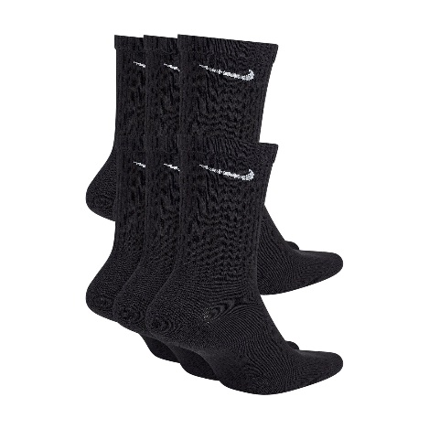 | SX7666-010 | M | 888408282750 | 3000 | € 25.00 | € 12.50 | € 11.00
 | SX7666-010 | L | 888408282767 | 3000 | € 25.00 | € 12.50 | € 11.00
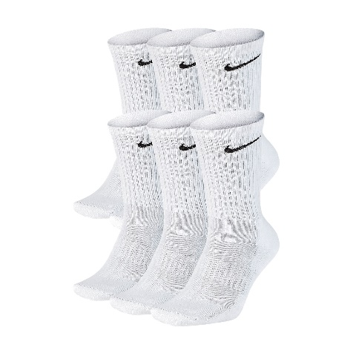 | SX7666-100 | M | 888408282798 | 19998 | € 25.00 | € 12.50 | € 11.00
 | SX7666-100 | L | 888408282804 | 19998 | € 25.00 | € 12.50 | € 11.00

SX2554 OFFER
Image | Article | Size | Qty | RRP | WHS | OFFER
 | SX2554-101 | M | 3000 | € 14.00 | € 7.00 | € 6.75
 | SX2554-101 | L | 3000 | € 14.00 | € 7.00 | € 6.75
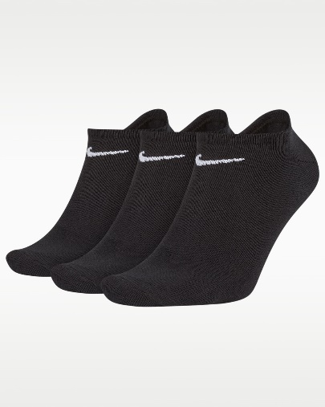 | SX2554-001 | M | 3000 | € 14.00 | € 7.00 | € 6.75
 | SX2554-001 | L | 3000 | € 14.00 | € 7.00 | € 6.75

SX4926 OFFER
Image | Article | Size | Qty | RRP | WHS | OFFER
 | SX4926-001 | S | 9000 | € 14.00 | € 7.00 | € 6.75
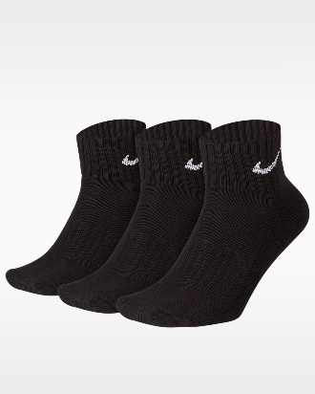 | SX4926-001 | M | 7998 | € 14.00 | € 7.00 | € 6.75
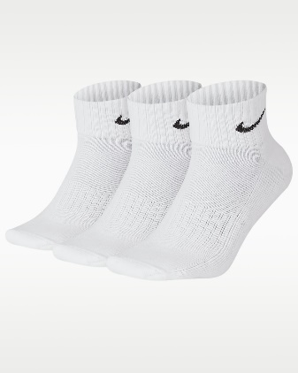
 | SX4926-101 | S | 9996 | € 14.00 | € 7.00 | € 6.75
 | SX4926-101 | M | 6720 | € 14.00 | € 7.00 | € 6.75
 | SX4926-101 | L | 5448 | € 14.00 | € 7.00 | € 6.75

